1.Random Forest & BAGG VS BOOST
 | WHAT IS RANDOM FOREST ? & (RANDOM FOREST VS EXTRA TREES)? |  |  | REFERENCE

 | ▣DEFINITION OF RANDOM FOREST

①metaestimator (Reference Udemy)⇒boosting is technically a meta learning algorithm that can be applied to really any machine learning algorithm, not just the decision trees, but we'll see why decision trees are such a well-suited algorithm for boosting. | ◅NOTE (POINTS TO NOTE)
 | ⇰The Concept of Boosting is not actually a Machine Learning Algorithm, It is Methodology applied to an existing machine learning algorithm most commonly applied to Decision Tree . |  |  | ⇰REFERENCE (Website)-->Udemy Regarding Conceptual Understanding of Ada Boosting Models & Boosting ⇒Meta Estimators

 | ⇰However, it's most commonly applied to the Decision Tree because that's where it yields the best results & so often Boosting is actually referred to as Meta Learning instead of Machine Learning because really it's a process where you decide to insert any Machine Learning Algorithm.

 | ⇰According to IBM Random forest is a commonly-used machine learning algorithm trademarked by Leo Breiman and Adele Cutler, which combines the output of multiple decision trees to reach a single result. Its ease of use & flexibility have fueled its adoption, as it handles both classification and regression problems.

 |  |  |  | ⇰REFERENCE (Website)-->Scikit Learn Regarding Thereotical & Conceptual Understanding of Various H.Param , Attributes & Methods of Random Forest Classifiers | ⇰REFERENCE (Website)-->IBM Regarding Thereotical & Conceptual Understanding of Random Forest Model

①metaestimator (REFERENCE) =>(Girenz GitHub)⇒A meta-estimator in the context of machine learning refers to a specialized algorithm or method that is used to enhance the predictive performance of a model by combining or aggregating the predictions of multiple base estimators or models. | ⇰According to Scikit Learn A random forest is a meta estimator that fits a number of decision tree classifiers on various sub-samples of the dataset and uses averaging to improve the predictive accuracy & control over-fitting. The sub-sample size is controlled with the max_samples parameter if bootstrap=True (default), otherwise the whole dataset is used to build each tree.

 |  |  |  | ⇰REFERENCE (Website)-->Analytics Vidhya Regarding Thereotical & Conceptual Understanding of Random Forest Models & Working of Random Forest Algorithm

 | ⇰According to Analytics Vidhya Random forest is a versatile machine learning algorithm developed by Leo Breiman & Adele Cutler. It leverages an ensemble of multiple decision trees to generate predictions or classifications. By combining the outputs of these trees, the random forest algorithm delivers a consolidated & more accurate result.Its widespread popularity stems from its user-friendly nature & adaptability, enabling it to tackle both classification & regression problems effectively. The algorithm’s strength lies in its ability to handle complex datasets and mitigate overfitting, making it a valuable tool for various predictive tasks in machine learning.

 | ▣WORKING FOR RANDOM FOREST ALGORITHM (Bagging VS Boosting)

 | ⇰Before understanding the working of the random forest algorithm in machine learning, we must look into the ensemble learning technique.Ensemble simply means combining multiple models. Thus a collection of models is used to make predictions rather than an individual model. ⇰Ensemble uses two types of methods: ▣Bagging– It creates a different training subset from sample training data with replacement & the final output is based on majority voting. For example, Random Forest. ▣Boosting– It combines weak learners into strong learners by creating sequential models such that the final model has the highest accuracy. For example=>ADA BOOST, XG BOOST. | 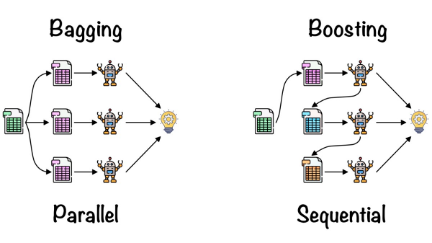 |  | ⇰REFERENCE (Website)-->Analytics Vidhya Regarding Thereotical & Conceptual Understanding of Random Forest Models & Working of Random Forest Algorithm | ⇰REFERENCE (Website)-->Scikit Learn Regarding Thereotical & Conceptual Understanding of Various H.Param , Attributes & Methods of Random Forest Classifiers

 | ⌗ENSEMBLE LEARNING (BAGGING VS BOOSTING)

 | ▣As we know, Ensemble learning helps improve machine learning results by combining several models. This approach allows the production of better predictive performance compared to a single model. Basic idea is to learn a set of classifiers (experts) & to allow them to vote.Bagging & Boosting are two types of Ensemble Learning. These two decrease the variance of a single estimate as they combine several estimates from different models. So the result may be a model with higher stability. Let’s understand these two terms in a glimpse. |  | 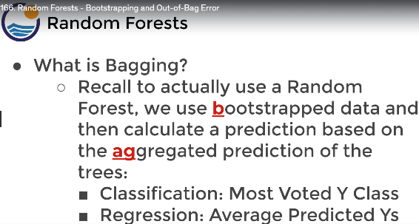 | ⇰REFERENCE (Website)-->Geeks for Geeks Regarding Conceptual Understanding of Diff in Between 2 Types of Ensembles Methods ⇒1.BAGGING 2.BOOSTING | ⇰REFERENCE (Website)-->Analytics Vidhya Regarding Conceptual Understanding of Ensemble Methods Between (Bagging Vs Boosting) & Usage of Random Forest Models

 | ◅BAGGING VS BOOSTING |  | 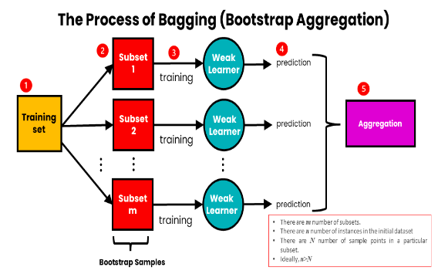
 | ▣BAGGING
 | ⇒Bagging: It is a homogeneous weak learners’ model that learns from each other independently in parallel & combines them for determining the model average.Bootstrap Aggregating, also known as bagging, is a machine learning ensemble meta-algorithm designed to improve the stability & accuracy of machine learning algorithms used in statistical classification & regression. It decreases the variance & helps to avoid overfitting. It is usually applied to decision tree methods. Bagging is a special case of the model averaging approach. |  |  | ⇰REFERENCE (Website)-->Udemy Regarding Usage & Conceptual Understanding of Ensemble Methods⇒(BAGGING) in Random Forest Models | ⇰REFERENCE (Website)-->JavaTPoint Regarding Conceptual Understanding of Ensemble Methods (Bagging Vs Boosting) & Usage of Random Forest Models

 | ◅ADA BOOSTING (FURTHER DISCUSSION IN 2.13(i) ADA BOOSTING EXCEL SHEET)

 | ▣BOOSTING
 | ⇒Boosting: It is also a homogeneous weak learners’ model but works differently from Bagging. In this model, learners learn sequentially & adaptively to improve model predictions of a learning algorithm.Boosting is an ensemble modeling technique that attempts to build a strong classifier from the number of weak classifiers. It is done by building a model by using weak models in series. Firstly, a model is built from the training data. Then the second model is built which tries to correct the errors present in the first model. This procedure is continued & models are added until either the complete training data set is predicted correctly or the maximum number of models is added. |  | 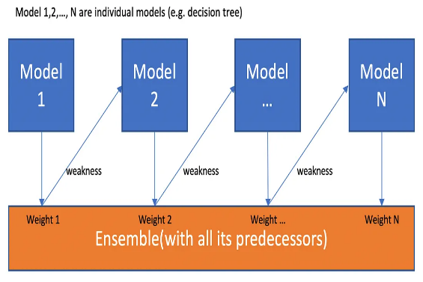 | ⇰REFERENCE (Websites)-->Geeks for Geeks Regarding Conceptual Understanding of Boosting which Practically Used in Gradient Boosting , XGBoosting, Catboosting, LightGBM Boosting Models | ⇰REFERENCE (Website)-->Towards Data Science Regarding Conceptual Understanding of Gradient Boosting & Explanation of Boosting With Figurative Illustration

2.Extra Tree Vs Random Forest
WHAT IS EXTRA TREE ? & (EXTRA TREE VS RANDOM FOREST)? |  |  |  | REFERENCE

▣DEFINITION OF EXTRA TREE ?
❶Extra Trees (Extremely Randomized Trees) the ensemble learning algorithms. It constructs the set of decision trees. During Tree construction according to Extra Tree Classifiers the decision rule is randomly selected. This algorithm is very similar to Random Forest except random selection of split values. |  |  |  | ⇰REFERENCE (Website)-->mljar Regarding Thereotical & Conceptual Understanding of Extra Tree Classifier & D/W Between Extra Tree Classifier Vs Random Forest Classifier | ⇰REFERENCE (Website)-->Baledung Regarding Thereotical & Conceptual Understanding of Diff Between Random Forest Classifier VS Extra Trees Classifier

❷According to Baledung CS Random Forests build multiple decision trees over Bootstrapped (Random Sampling With Replacement) subsets of the data, whereas Extra Trees algorithms Do the same thing Bootstrapping (Random Sampling With Replacement) build multiple decision trees over the entire dataset But RF chooses the best node to split (Based on Feature Importance)on while ET randomizes the node split.

▣DIFFERENCE IN BETWEEN RANDOM FOREST MODEL VS EXTRA TREE MODEL
❶According to Stackoverflow ExtraTrees classifier always tests random splits over fraction of features (in contrast to RandomForest), which tests all possible splits & Then Select Some Root Node Based on it's Feature Importance Over Fraction of Other Sets of Features). ❷ In Simple Words According to Me⇒Main Difference is that in RF Model (Multiple Decision Tree) is Created based on Root Node (Node Selection Based of Feature Importance Then Multiple Decison Tree Created) While On the Other hand Extra Tree (ET) (Multiple Decision Tree) is created based on Root Node (Selected on Random Basis Then DT Created Not On Basis of Feature Importance). |  |  |  | ⇰REFERENCE (Website)-->StackoverFlow Regarding Conceptual Understanding of Difference Between Extra Trees Algorithm VS Random Forest Algorithm | ⇰REFERENCE (Website)-->Kaggle Regarding Conceptual Understanding of Difference Between Extra Tree Vs Random Forest

 |  |  |  | ⇰REFERENCE (Website)-->StackoverFlow Regarding Conceptual Understanding of Difference Between Extra Trees Algorithm VS Random Forest Algorithm | ⇰REFERENCE (Website)-->Kaggle Regarding Conceptual Understanding of Difference Between Extra Tree Vs Random Forest

❸According to StackOverflow We Know Main Difference in Random Forest Vs Extra Trees & That is ExtraTrees classifier always tests random splits over fraction of features (in contrast to RandomForest, which tests all possible splits over fraction of features). ❹According to StackOverflow The main difference between random forests and extra trees (usually called extreme random forests) lies in the fact that, instead of computing the locally optimal feature/split combination (for the random forest), for each feature under consideration, a random value is selected for the split (for the extra trees). Here is a good resource to know more about their difference in more detail Random forest vs Extra tree.

 |  |  |  | ⇰REFERENCE (Website)-->StackExchange Regarding Conceptual Understanding of Difference in Between Random Forest VS Extra Trees

▣DIFFERENCE IN BETWEEN DECISION TREE VS RANDOM FOREST VS EXTRA TREE

DECISION TREE | RANDOM FOREST |  | EXTRA TREES

▣WHICH IS BEST RANDOM FOREST OR EXTRA DECISION TREES ? (RANDOM FOREST VS EXTRA DECISION TREES)

 |  |  |  | ⇰REFERENCE (Website)-->StackoverFlow Regarding Conceptual Understanding of Difference Between Extra Trees Algorithm VS Random Forest Algorithm | ⇰REFERENCE (You Tube)-->(You Tube)Bhavesh Bhatt Regarding Thereotical & Conceptual Understanding of Diff in Between Random Forest Vs Extra Trees
⇰In Simple Words RFs are often more compact than ETs. ETs are generally cheaper to train from a computational point of view but can grow much bigger. ETs can sometime generalize better than RFs but it's hard to guess when it's the case without trying both first (& tuning n_estimators, max_features & min_samples_split by cross-validated grid search). ⇰In Terms of Requirement Extra Trees Model can Generalize Or Diversified Better Because of Randomization (Values Selection Based off Splitting of Root Node) & Because of That More Unique & Diversified & Non-Correlated Decision Tree is Created So again The whole Idea is Rather than not spending time & finding best splitting point for Root Node (As We have Seen in RF Model) , I Randomly Pick up a point & Split based on that leads to more Diversified Trees & less splitters to evaluate while training an Extra Trees Model.

 |  |  |  | ⇰REFERENCE (You Tube)-->Bhavesh Bhatt Regarding Conceptual Understanding of Practical Implementation (Coding) of Extra Trees Algorithm Model

▣Based on DataSet Which is Best RandomForest OR Extra Trees ?

⇰When Extra Tree Models were tested with readily available Datasets We observed that when we had noisy features in our Dataset. Extra Tree Models seems to Outperform Random Forest (Because Values Selection Based off Splitting of Root Node does create more generalized or Non Correlated Trees) However When all Features Are Relevant & When you train extra tree classifiers & random forest classifiers both methods achieve same level of satisfactorily performance be it in terms of Accuracy , ROC Values & F1 Score that we are chasing.
 |  |  |  | ⇰REFERENCE (You Tube)-->Bhavesh Bhatt Regarding Thereotical & Conceptual Understanding of Diff in Between Random Forest Vs Extra Trees | ⇰REFERENCE (You Tube)-->Bhavesh Bhatt Regarding Conceptual Understanding of Practical Implementation (Coding) of Extra Trees Algorithm Model

▣ACTUAL DIFFERENCE IN BETWEEN RANDOM FOREST VS EXTRA TREES ACCORDING TO ARCGIS

 |  |  |  | ⇰REFERENCE (Website)-->ArcGisPro Regarding Thereotical & Conceptual Understanding of Difference in Between Random Forest Model VS Extra Tree Model
⇰The most important and unique characteristic of extra trees is the random selection of a splitting value for a feature. Instead of calculating a locally optimal value using Gini or entropy to split the data, the algorithm randomly selects a split value. This makes the trees diversified and uncorrelated.

3.Random Forest VS DecisionTree
▣RANDOM FOREST MODEL VS DECISION TREE MODEL |  |  | REFERENCE

①The Main Question Arises Why Not Just Continue to Use Decision Trees ? ②What is The Motivation Behind Random Forest & How they Improved on Decision Trees ? |  | 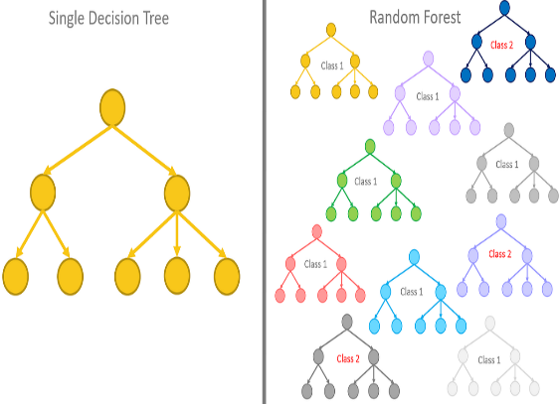 | ⇰REFERENCE (Website)-->Towards Data Science Regarding Conceptual Implementation of Diff in Random Forest Models VS Single Decision Tree Models

▣LIMITATION FOR SINGLE DECISION TREE CONSTRUCTION
⇰Now, if I build a Single Decision Tree off of this particular feature set & try to predict this label Recall, we are restricted by the information criterion we use for splitting.

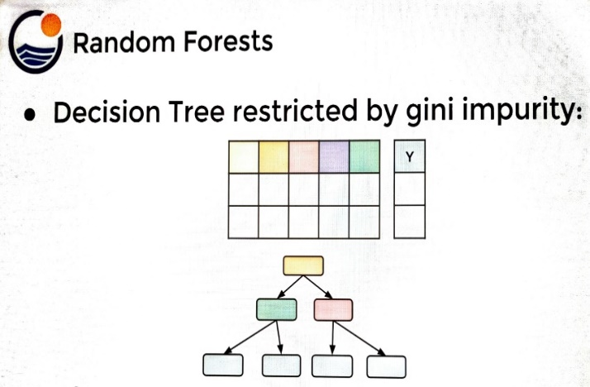 | 

 |  |  | ⇰REFERENCE (Website)-->Udemy Regarding Conceptual Understanding of Random Forests & Motivation Behind Random Forest Over Decision Tree Model

⇰The other thing to note here is that for a certain set of rules you use to build out your Single decision tree, the root node would always be the same if you're using the same rules.That is the same information criterion, the same max depth, the same number of splits allowed, etc.Then your single decision tree was always going to look the same for that set of rules, which means the root node will always be the same. |  | 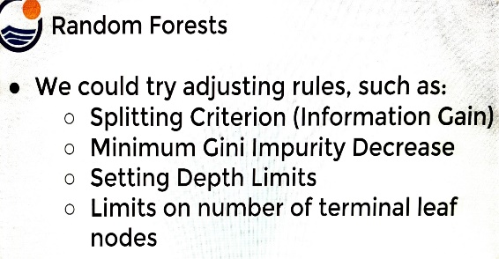

⇰However, for every single set of rules, there is only one single decision tree possible.If you keep running that algorithm over and over again for that strict set of rules, you're just going to get the same decision tree over and over again because quote,"There is a right answer for that particular set of rules as the optimal tree".So what we need to realize is even if all these added hyper parameter adjustments, that single decision tree is still limited, there is always going to be a single feature for the root node.

▣ADVANTAGES FOR RANDOM FOREST MODELS OVER DECISION TREE MODEL 'S CONSTRUCTION

⇰In Random forest, there was one key idea that expanded a single decision tree to an ensemble of estimators that is an ensemble or many decision trees making up the random forest.Keep in Mind we are going to create subsets of randomly picked features at each potential split. ⇰In fact, being able to choose these random subsets of features allows me to explore many different aspects of my entire feature space. Likely, I will be able to use all the features that contain some sort of useful signal, because if they do have some sort of useful signal, while they may not always be used for the root node, I do know that eventually, depending on how many trees I build out, I will look at that feature and if it's important, I will choose to split on it.Which allows me to create this force or ensemble of many different types of the centuries which grow out in many different ways.Because I know they're looking at different subsets of the data each time they have to decide on a split & I also alleviate the issue of not using any useful features.So any feature that happens to be useful, I know if I build enough trees will eventually get used because it would have been selected during some random subset for some split. |  | 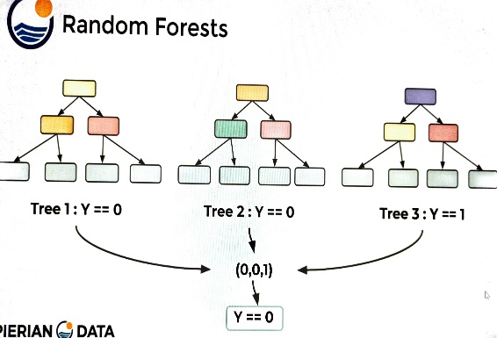 | ⇰REFERENCE (Website)-->Udemy Regarding Conceptual Understanding of Random Forests & Motivation Behind Random Forest Over Decision Tree Model

 |  | 